Sales
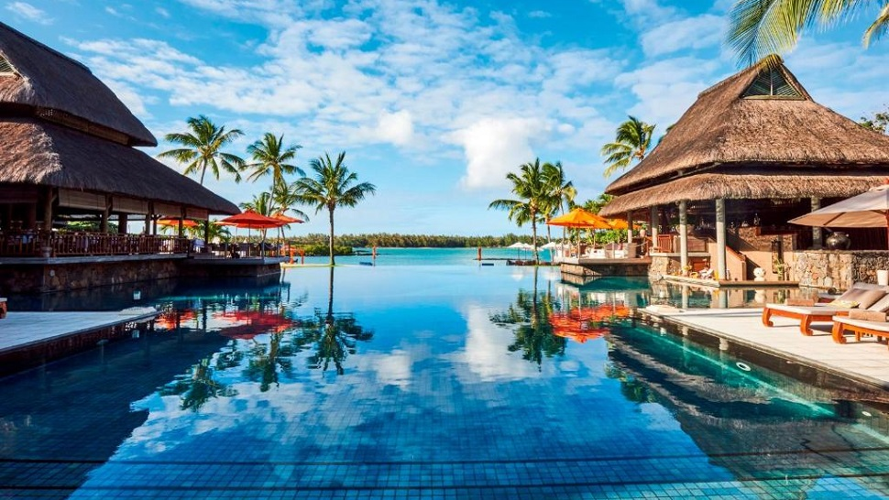
Bookings for September 2023 Besprekings vir September 2023

 | Question 4.2 Vraag 4.2 | 0% | Total Interest Totale Rente | R3,128,789.28

 | Question 4.3 Vraag 4.3 | R38,962,616.00

FARMERS / BOER |  | PRODUCTS / PRODUK
Initials Voorletters | Surname, Initials Van, Voorletters | Crops Gewasse | Price Prys | Interest Rente | Pesticide bestryding | Total cost Totale koste | Use this space for building blocks. Gebruik hierdie spasie vir boublokke.
R | Ngomane, R | Green Haven Resort | R899,995.00 | R71,999.60 | Yes
WS | Basson, WS | Costal Retreats | R449,900.00 | R35,992.00 | Yes | 1020594.33
 | Labuschagne, XC | Safari Resorts | R699,900.00 | R55,992.00 | No | 755892.00
T | Mtshali, T | Costal Retreats | R739,900.00 | R59,192.00 | Yes | 839046.60
F | Mlangeni, F | Wellness Resorts | R1,999,900.00 | R159,992.00 | No | 2159892.00
E | Mashele, E | Green Haven Resort | R1,379,000.00 | R110,320.00 | Yes | 1563786.00
L | Mphahlele, L | Cultural Experiences | R573,599.00 | R45,887.92 | Yes | 650461.27
U | Mthembu, U | Green Haven Resort | R856,463.00 | R68,517.04 | No | 924980.04
J | Mbanjwa, J | Safari Resorts | R596,500.00 | R47,720.00 | No | 644220.00
X | Moloi, X | Costal Retreats | R715,900.00 | R57,272.00 | Yes | 811830.60
O | Visser, O | Costal Retreats | R390,995.00 | R31,279.60 | No | 422274.60
Y | Swanepoel, Y | Adventure Tourism | R572,300.00 | R45,784.00 | No | 618084.00
T | Shabangu, T | Eco-Resorts | R310,000.00 | R24,800.00 | No | 334800.00
VW | Beukes, VW | Adventure Tourism | R589,000.00 | R58,900.00 | No | 647900.00
B | Kubheka, B | Safari Resorts | R1,735,000.00 | R138,800.00 | No | 1873800.00
S | Makhubela, S | Cultural Experiences | R327,999.00 | R26,239.92 | No | 354238.92
Z | Jones, Z | Adventure Tourism | R309,995.00 | R24,799.60 | Yes | 351534.33
F | Myeni, F | Luxury B&Bs | R2,649,900.00 | R211,992.00 | No | 2861892.00
M | Marais, M | Costal Retreats | R297,900.00 | R23,832.00 | No | 321732.00
PG | Mabunda, PG | Eco-Resorts | R649,900.00 | R51,992.00 | Yes | 736986.60
Q | Mngomezulu, Q | Wellness Resorts | R2,049,900.00 | R163,992.00 | Yes | 2324586.60
O | Pietersen, O | Eco-Resorts | R2,459,000.00 | R196,720.00 | Yes | 2788506.00
Z | Mathe, Z | Costal Retreats | R984,900.00 | R78,792.00 | No | 1063692.00
Z | Mathe, Z | Eco-Resorts | R1,099,995.00 | R87,999.60 | No | 1187994.60
B | Mabuza, B | Green Haven Resort | R950,995.00 | R76,079.60 | Yes | 1078428.33
J | Wessels, J | Costal Retreats | R1,084,900.00 | R86,792.00 | Yes | 1230276.60
F | Williams, F | Wellness Resorts | R819,900.00 | R65,592.00 | Yes | 929766.60
G | Dlamini, G | Sunflowers | R850,995.00 | R68,079.60 | Yes | 965028.33
F | Kruger, F | Luxury B&Bs | R1,890,000.00 | R151,200.00 | No | 2041200.00
D | Duma, D | Cultural Experiences | R259,995.00 | R20,799.60 | Yes | 294834.33
R | Matlala, R | Wellness Resorts | R135,000.00 | R10,800.00 | Yes | 153090.00
Y | Msibi, Y | Adventure Tourism | R727,500.00 | R58,200.00 | No | 785700.00
Y | Chauke, Y | Cultural Experiences | R440,000.00 | R35,200.00 | No | 475200.00
U | Sithole, U | Eco-Resorts | R480,900.00 | R38,472.00 | Yes | 545340.60
WR | Mbambo, WR | Safari Resorts | R609,900.00 | R48,792.00 | Yes | 691626.60
A | Khumalo, A | Eco-Resorts | R225,000.00 | R18,000.00 | No | 243000.00
Q | Masilela, Q | Adventure Tourism | R4,538,000.00 | R363,040.00 | No | 4901040.00
V | Mashego, V | Eco-Resorts | R239,990.00 | R19,199.20 | No | 259189.20
Z | Theron, Z | Costal Retreats | R411,900.00 | R32,952.00 | No | 444852.00
V | Mkhabela, V | Luxury B&Bs | R209,900.00 | R16,792.00 | No | 226692.00
R | Burger, R | Safari Resorts | R1,199,900.00 | R95,992.00 | Yes | 1360686.60
J | Janse, J | Costal Retreats | R550,000.00 | R44,000.00 | No | 594000.00

